Sheet1
sr.no | Questions | Answers
1 |  | b
2 |  | b,d
3 |  | a,b,d
4 |  | TRUE
5 |  | TRUE
6 |  | a
7 |  | d
8 |  | b
9 |  | b,d
10 |  | b,c,d
11 |  | d
12 |  | b,c,d
13 |  | d
14 |  | b
15 |  | c
16 |  | a
17 |  | b
18 |  | d
19 |  | d
20 |  | d
21 |  | a,b,c
22 |  | c
23 |  | b
24 |  | b
25 |  | a,b,c,d
26 |  | a
27 |  | a
28 |  | b
29 |  | b
30 |  | c
31 |  | c
32 |  | c
33 |  | b,c
34 |  | a,b,d
35 |  | a,c
36 |  | a
37 |  | a
38 |  | b
39 |  | a,c,d
40 |  | b
41 |  | c
42 | 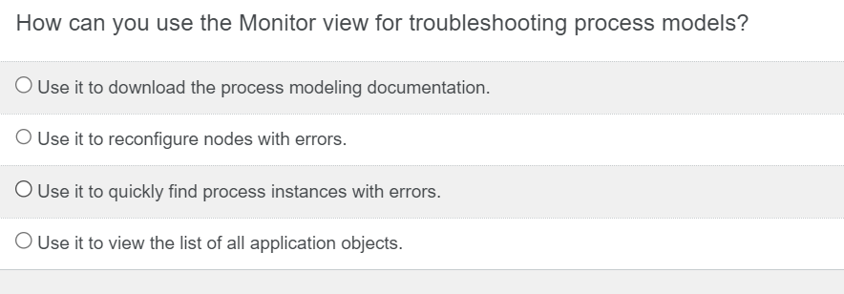 | c
43 |  | b
44 |  | a,b
45 |  | d
46 |  | b
47 |  | b
48 |  | b
49 |  | d
50 |  | d
51 |  | a,b,c,d

